Creative Artifcats-2
SL no | Prompt | Image | Best
1 | I want to create a story about a man who accidently falls into a pit, which then leads him to an artifact in the form of a bracelet. Upon picking it up, he sees images of treasures and secrets of the world at various locations. He gets intrigued by this and it awakens his inner adventurous self and starts to set off on it. I want to create a comic strip of this scene. | 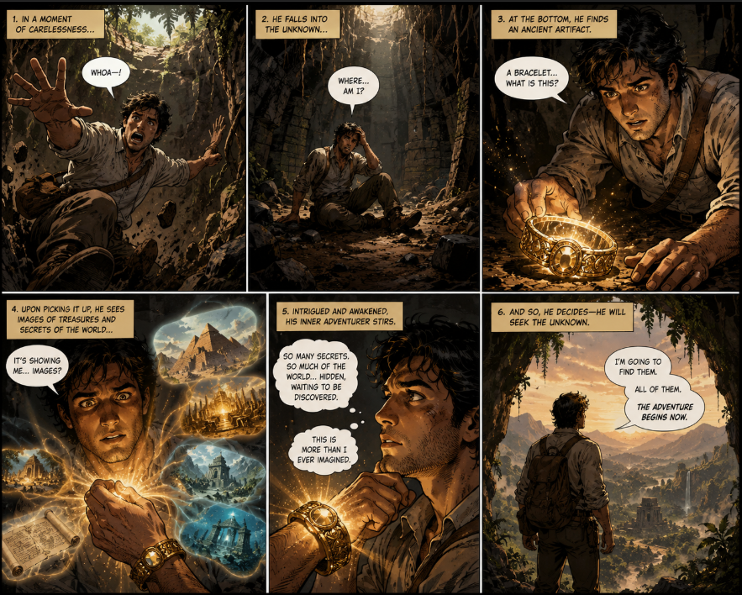 | ü
2 | I want to create an image. The theme is, a futuristic version of medical equipment. I want to the image to have a doctor scanning a patient to check his vitals. The location is a hospital room. The apparatus used by the doctor is attached to wrist. I want the apparatus to look something along the line of the attached image. | 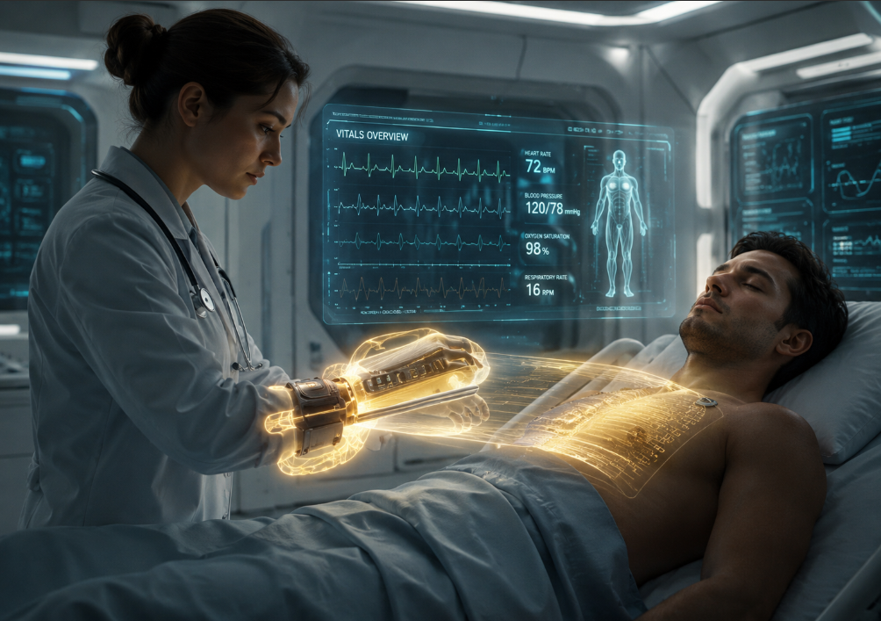
3 | I want to make a futuristic bike. On the first one i want to view the bike on a standing position. On the second one i would like it be fallen on the ground, but with airbags deployed on the side it has fallen. I want to showcase it as a concept wherein this works similar to an ABS system in a car which protects the rider when they fall down. I want the bike to be a futuristic sports bike , yellow in colour. | 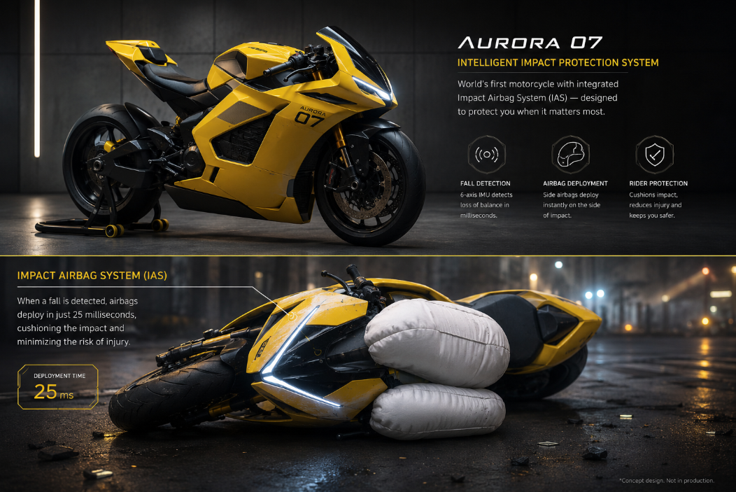
4 | Same prompt as 3, but in GEMIni\Nanobanana | 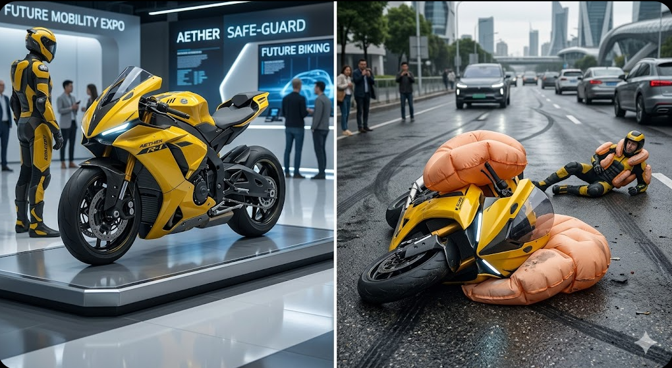

AI mistake
Prompt | hey i want to create an anime comic, tell me what are the prompts i can use to generate a very good one
Prompt Output | Ultra detailed anime comic panel, cinematic manga style, male mechanical engineer protagonist with sharp features, black hair, smart casual clothes, standing inside a futuristic robotics lab while analyzing a machine prototype, dynamic pose, dramatic perspective shot, intense focused expression, neon industrial lighting, highly detailed background, crisp line art, cel shading, professional manga composition, cinematic atmosphere, masterpiece quality.
Image | 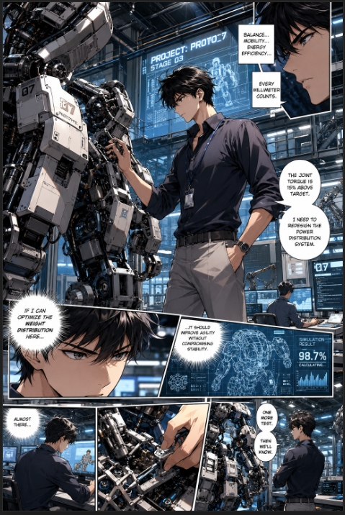

Issue | The idea in this scenario was to generate a completely new topic and image surrounding it. I had give a basic prompt. But I had noticed that AI had automatically linked the character profession with what I do. This beaing because of my use in Ai for Mechanical Design Engineer for the majority of recent weeks. The AI didnt ask me about this part, instead it assumed to create the character based of the previous contexts even though it was unrelated.

